Sheet1
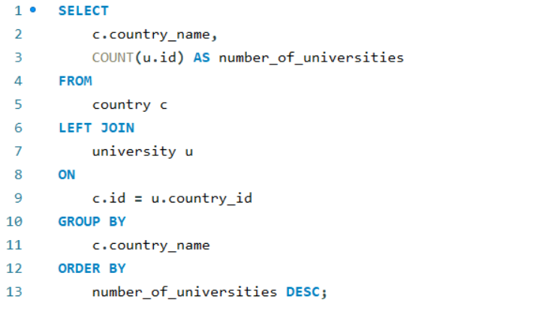
What is the distribution of universities across different countries?

Sheet2
country_name | number_of_universities
United States of America | 199
United Kingdom | 51
Japan | 47
Germany | 45
Italy | 37
China | 33
France | 33
Canada | 25
South Korea | 24
Spain | 22
Australia | 19
Netherlands | 13
Sweden | 11
India | 11
Taiwan | 9
Finland | 8
Austria | 8
Belgium | 8
Switzerland | 8
Brazil | 7
Portugal | 6
Greece | 6
Hong Kong | 6
Israel | 6
New Zealand | 5
Denmark | 5
South Africa | 5
Ireland | 5
Poland | 4
Norway | 4
Turkey | 3
Hungary | 3
Malaysia | 2
Russia | 2
Singapore | 2
Chile | 2
Thailand | 2
Saudi Arabia | 2
Lebanon | 1
Colombia | 1
Slovenia | 1
Iceland | 1
Argentina | 1
Estonia | 1
Mexico | 1
Czech Republic | 1
Croatia | 1
Oman | 0
Pakistan | 0
Kenya | 0
Jordan | 0
Puerto Rico | 0
Qatar | 0
Romania | 0
Macau | 0
Indonesia | 0
Serbia | 0
Luxembourg | 0
Slovakia | 0
Bangladesh | 0
Belarus | 0
Ghana | 0
Bulgaria | 0
Morocco | 0
Iran | 0
Egypt | 0
Latvia | 0
Nigeria | 0
Uganda | 0
Ukraine | 0
United Arab Emirates | 0
Cyprus | 0
Lithuania | 0
Uruguay | 0

